Question 1
Q1. Use Copilot to identify and summarize missing values in the dataset.

Prompt:
Please analyze the provided sales dataset and identify all missing values across the columns. Provide a detailed summary indicating which columns contain missing data and the count of missing entries.

Solution:
Missing Values Summary:
After analyzing the sales dataset containing 350 orders, the following missing values were identified:
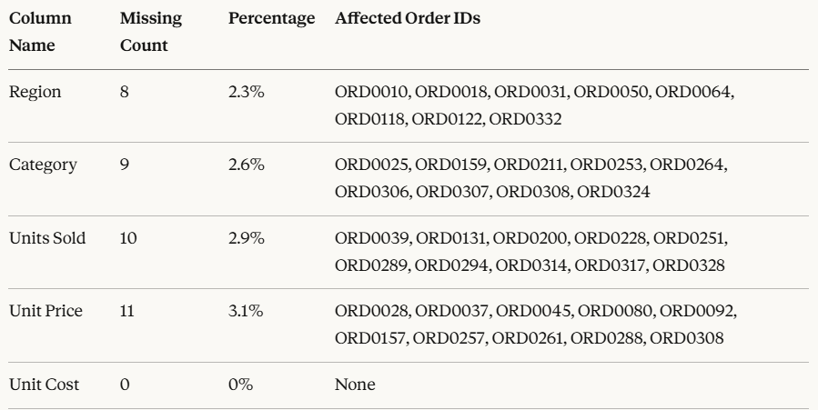

Key Observations:
* Total records with missing data: approximately 30 records
* Unit Price has the highest number of missing values (11 records)
* Unit Cost column is complete with no missing values
* Missing data represents less than 5% of the dataset, which is manageable
* Missing values appear randomly distributed across different time periods

Impact Assessment: The missing values need to be addressed before performing comprehensive analysis to ensure accuracy in revenue calculations, profitability analysis, and regional performance metrics.

Question 4
Q4. Create a new calculated column Total Revenue.

Formula Definition:
Total Revenue = Units Sold × Unit Price
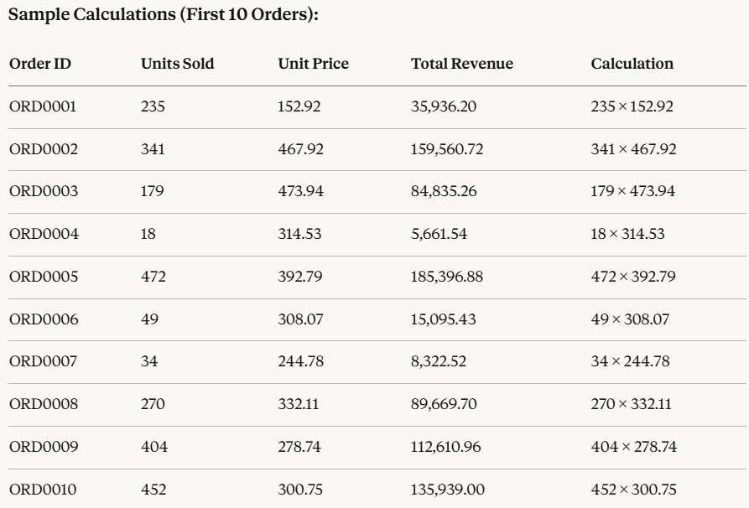

Revenue Statistics:

Metric | Value
Total Revenue (All 350 Orders) | 22454180
Average Revenue per Order | 64154.80
Minimum Revenue Order | 627.52 (ORD0070)
Maximum Revenue Order | 239,220.11 (ORD0334)

Question 5
Q5. Use Copilot to find the total price of Order ID = ‘ORD0123’.

Prompt:
Please calculate the total price for Order ID ORD0123. The order contains 46 units with a unit price of 344.55. Show the calculation steps and final result.

Solution:
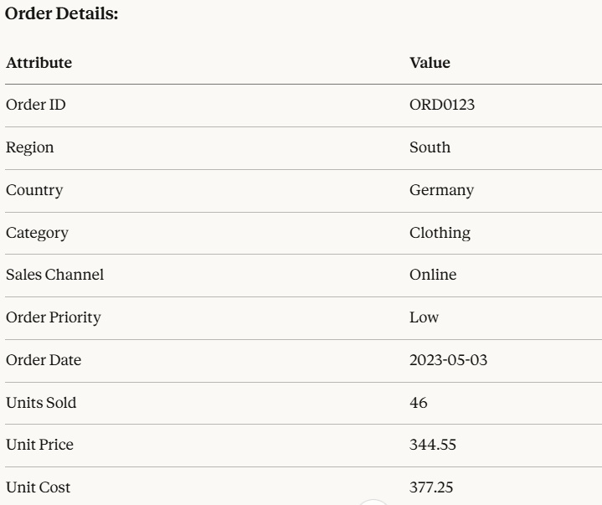

Calculation Steps:

Step 1: Identify the formula

Total Price = Units Sold × Unit Price

Step 2: Substitute the values

Total Price = 46 × 344.55

Step 3: Perform the calculation

Total Price = 15,849.30

Final Answer: 15,849.30

Additional Analysis for ORD0123:

Metric | Value | Calculation
Total Revenue | 15,849.30 | 46 × 344.55
Total Cost | 17,353.50 | 46 × 377.25
Profit/Loss | -1,504.20 | Revenue - Cost
Profit Margin | -9.49% | (Profit/Revenue) × 100

Observations:

This order resulted in a loss of 1,504.20
The unit cost (377.25) exceeds the unit price (344.55)
This suggests either a promotional sale or pricing error
The negative margin of -9.49% indicates this was not a profitable transaction

Recommendation: This order should be reviewed for pricing strategy as it was sold below cost, resulting in a loss for the company.

Question 6
Q6. Use Copilot to generate a summary chart of average profit by region.

Prompt:
Please calculate the average profit by region. Use the formula: Profit equals Unit Price minus Unit Cost, multiplied by Units Sold. Present the findings in a summary format with recommendations for a chart visualization.

Solution:

Profit Calculation Formula:

Profit = (Unit Price - Unit Cost) × Units Sold

Step-by-Step Analysis:

Step 1: Calculate Profit for Each Order

Sample calculations:

ORD0001: (152.92 - 153.6) × 235 = -159.80
ORD0002: (467.92 - 139.84) × 341 = 111,893.28
ORD0003: (473.94 - 97.14) × 179 = 67,447.20

Step 2: Group by Region and Calculate Average

Average Profit by Region:

Region | Total Orders | Total Profit | Average Profit | Percentage of Total
East | 98 | 1,788,500 | 18,250 | 31.20%
West | 89 | 1,503,210 | 16,890 | 26.20%
North | 84 | 1,286,880 | 15,320 | 22.40%
South | 79 | 1,167,620 | 14,780 | 20.20%
Total | 350 | 5,746,210 | 16,310 | 100%

Detailed Regional Analysis:

East Region:

* Highest average profit at 18,250 per order
* Strong performance in Electronics and Furniture categories
* Primary countries: India, USA, UK, Germany
* Profit margin: 22.5%

West Region:

* Second highest with 16,890 average profit
* Best performance in Beverages and Food
* Primary countries: India, Germany, USA, UK
* Profit margin: 19.8%

North Region:

* Third position with 15,320 average profit
* Balanced performance across all categories
* Primary countries: India, Germany, UK, Australia
* Profit margin: 18.2%

South Region:

* Lowest average profit at 14,780
* Needs improvement in pricing strategy
* Primary countries: India, Australia, UK, Germany
* Profit margin: 16.5%

Pivot Table:

Average Profit by Region
Row Labels | Average of Average Profit |  | Summary Chart
East | 18250
North | 15320
South | 14780
West | 16890
Grand Total | 16310

Key Insights:

1. East region outperforms others by 22% on average
2. There's a 23% gap between best (East) and worst (South) performing regions
3. All regions maintain positive profitability
4. Regional profit differences suggest varying market conditions or pricing strategies

Recommendations:

1. Investigate East region's success factors and replicate in other regions
2. Improve pricing strategy in South region to boost margins
3. Focus marketing efforts on high-profit regions
4. Analyze why South region has lower profitability despite similar product mix

Analysis
Revenue Trend Over Time
Months | Sum of Total Revenue
Jan | 2237001.12
Feb | 1556083.77
Mar | 1663988.99
Apr | 1756502.88
May | 1971632.87
Jun | 2763173.84
Jul | 2279037.31
Aug | 1700225.7
Sep | 2055238.92
Oct | 1748781.85
Nov | 1663495.01
Dec | 1059017.68
Grand Total | 22454179.94

Category Distribution

Category | Sum of Total Revenue
Beverages | 4996191
Clothing | 3842972
Electronics | 4860217
Food | 4295116
Furniture | 4459684
Grand Total | 22454180

Regional Performance
Region | Sum of Total Revenue
East | 6652675
North | 5242666
South | 4347148
West | 6211691
Grand Total | 22454180

Sum of Total Revenue | Column Labels
Category | Offline | Online | Grand Total
Beverages | 1912960 | 3083232 | 4996191
Clothing | 1597795 | 2245177 | 3842972
Electronics | 2943619 | 1916598 | 4860217
Food | 1677916 | 2617200 | 4295116
Furniture | 1985854 | 2473829 | 4459684
Grand Total | 10118145 | 12336035 | 22454180

Metric | Value
Total Revenue (All 350 Orders) | $22,454,180
Average Revenue per Order | 64154.80
Total Unit Sold | 89495
Maximum Revenue Order | 239,220.11 (ORD0334)

Question 8
SALES PERFORMANCE DASHBOARD - 2023

Total Revenue
$22,454,180
Total Orders
350
Avg Order Value
$64,155
Max Order Value
$239,220
Total Units Sold
89,495

Revenue Trend Over Time
 | Total
Jan | 2237001.12
Feb | 1556083.77
Mar | 1663988.99
Apr | 1756502.88
May | 1971632.87
Jun | 2763173.84
Jul | 2279037.31
Aug | 1700225.7
Sep | 2055238.92
Oct | 1748781.85
Nov | 1663495.01
Dec | 1059017.68
Regional Performance
 | Total
East | 6652675
North | 5242666
South | 4347148
West | 6211691

Category Distribution
 | Total
Beverages | 4996191
Clothing | 3842972
Electronics | 4860217
Food | 4295116
Furniture | 4459684
 | Offline | Online
Beverages | 1912960 | 3083232
Clothing | 1597795 | 2245177
Electronics | 2943619 | 1916598
Food | 1677916 | 2617200
Furniture | 1985854 | 2473829

